Internal UG registrations
Internal Undergraduate Student Registration Information |  |  |  |  |  | Details of Internal Undergraduates new registrations in last FIVE years
as at 31st December 2021
 |  |  |  |  |  | Intake Year | Faculty |  |  |  |  |  |  | Total
Faculty | New Registrations | Total No. of students Registered |  |  |  |  | Humanities & Social Sciences | Applied Sciences | Management Studies & Commerce | Medial Science | Technology | Engineering | Allied Health Sciences
Humanities & Social Sciences | 984 | 3568 |  |  |  | 2015/2016 | 837 | 628 | 1215 | 151 | 321 | 121 | 70 | 3343
Applied Sciences | 875 | 2678 |  |  |  | 2016/2017 | 877 | 698 | 1213 | 160 | 321 | 120 | 71 | 3460
Management Studies & Commerce | 1348 | 4966 |  |  |  | 2017/2018 | 942 | 743 | 1223 | 161 | 318 | 121 | 74 | 3582
Medical Sciences | 193 | 1177 |  |  |  | 2018/2019 | 939 | 781 | 1216 | 160 | 323 | 120 | 88 | 3627
Technology | 491 | 1438 |  |  |  | 2019/2020 | 984 | 875 | 1348 | 193 | 491 | 186 | 155 | 4232
Engineering | 186 | 540
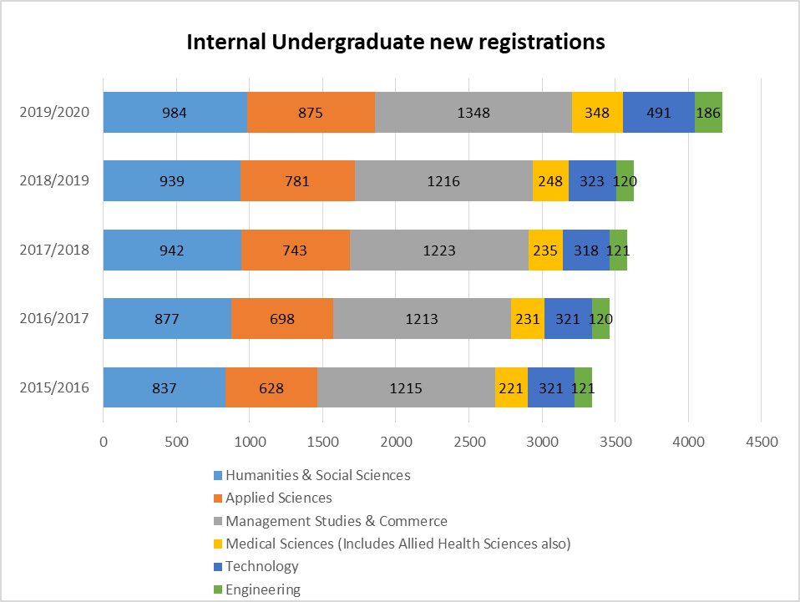
Allied Health Sciences | 155 | 395
Total Internal Undergraduates | 4232 | 14762

Internal Undergraduates Enrolment (Total number of registered) as at 31st december (2017 - 2021)

Faculty | 2017 | 2018 | 2019 | 2020 | 2021
Humanities & Social Sciences | 3296 | 3341 | 3458 | 3462 | 3568
Applied Sciences | 2021 | 2251 | 2222 | 2464 | 2678
Management Studies & Commerce | 4804 | 4794 | 4659 | 4843 | 4966
Medical Sciences | 804 | 938 | 948 | 951 | 1177
Technology | 642 | 642 | 947 | 1246 | 1438
Engineering | 241 | 362 | 458 | 472 | 540
Allied Health Sciences | 333 | 280 | 290 | 320 | 395
Total Internal Undergraduates | 12141 | 12608 | 12982 | 13758 | 14762

Internal Undergraduate enrolment (Total no. registered) : 2017-2021
2017 | 12141
2018 | 12608
2019 | 12982
2020 | 13758
2021 | 14762

Academic Staff
Faculty Academic Staff Information - as at 31st December 2021 |  |  |  |  |  |  |  |  | Academic Staff Qualifications of the University: 2018 - 2021

Faculty | Senior Professors | Professors | Associate Professors | Senior Lecturer Gr. I | Senior Lecturer Gr. II | Lecturer | Lecturer Probation | Total | Year | First Degrees & PG Dip. | Masters | M.Phil | MD/MS | Doctoral Degrees | Total
Humanities & Social Sciences | 7 | 28 | 4 | 47 | 27 | 8 | 19 | 140 | 2018 | 74 | 147 | 42 | 61 | 296 | 620
Applied Sciences | 11 | 31 |  | 27 | 56 | 12 | 17 | 154 | 2019 | 87 | 147 | 42 | 56 | 309 | 641
Management Studies & Commerce | 12 | 35 | 2 | 46 | 51 | 18 | 24 | 188 | 2020 | 73 | 149 | 43 | 63 | 361 | 689
Medical Sciences | 11 | 29 | 3 | 22 | 24 | 10 | 16 | 115 | 2021 | 72 | 156 | 41 | 65 | 400 | 734
Technology |  | 1 |  | 6 | 45 | 5 | 9 | 66
Engineering |  |  |  | 3 | 19 | 1 |  | 23
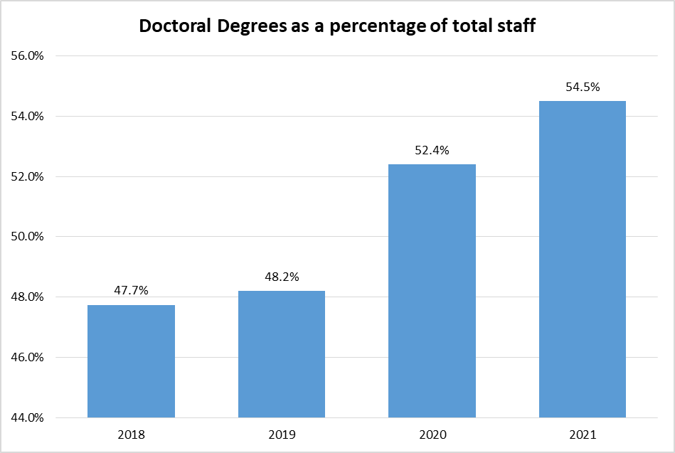
Allied Health Sciences |  | 2 |  | 5 | 17 | 2 | 10 | 36
Total | 41 | 126 | 9 | 156 | 239 | 56 | 95 | 722

